Latinamerica Analysis
Graph of CO2 emissions in Latin America and the Caribbean

Graph of CO2 emissions in Latin America and the Caribbean
Countries | MtCO2 Total
Mexico | 477
Brazil | 457
Argentina | 196
Venezuela | 139
Colombia | 97
Chile | 86
Peru | 56
Trinidad and Tobago | 44
Ecuador | 42
Cuba | 29
Dominican Republic | 25
Bolivia | 22
Guatemala | 18
Panama | 11
Honduras | 9.9
Jamaica | 8.2
Costa Rica | 8.1
Paraguay | 7.4
El Salvador | 7.1
Uruguay | 6.9
Nicaragua | 5.6
Total general | 1752.2

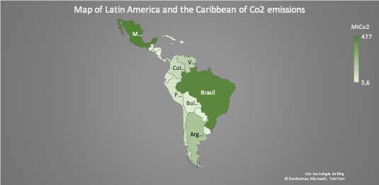
 | Country | MtCo2
 | Mexico | 477
 | Brazil | 457
 | Argentina | 196
 | Venezuela | 139
 | Colombia | 97
 | Chile | 86
 | Peru | 56
 | Trinidad and Tobago | 44
 | Ecuador | 42
 | Cuba | 29
 | Dominican Republic | 25
 | Bolivia | 22
 | Guatemala | 18
 | Panama | 11
 | Honduras | 9.9
 | Jamaica | 8.2
 | Costa Rica | 8.1
 | Paraguay | 7.4
 | El Salvador | 7.1
 | Uruguay | 6.9
 | Nicaragua | 5.6

Total reduction in Latin America and the Caribbean

Country | Total MtCo2 | MtCo2 Total Reduction
Mexico | 477 | 357.75
Brazil | 457 | 342.75
Argentina | 196 | 147
Venezuela | 139 | 104.25
Colombia | 97 | 72.75
Chile | 86 | 64.5
Peru | 56 | 42
Trinidad and Tobago | 44 | 33
Ecuador | 42 | 31.5
Cuba | 29 | 21.75
Dominican Republic | 25 | 18.75
Bolivia | 22 | 16.5
Guatemala | 18 | 13.5
Panama | 11 | 8.25
Honduras | 9.9 | 7.425
Jamaica | 8.2 | 6.15
Costa Rica | 8.1 | 6.075
Paraguay | 7.4 | 5.55
El Salvador | 7.1 | 5.325
Uruguay | 6.9 | 5.175
Nicaragua | 5.6 | 4.2
Total general | 1752.2 | 1314.15

World-Wide Analysis
Graph of CO2 emissions worldwide

Graph of CO2 emissions worldwide
Countries | MTCO2 Total
China | 10065
United States | 5416
India | 2654
Russian Federation | 1711
Japan | 1162
Germany | 759
Iran | 720
South Korea | 659
Saudi Arabia | 621
Indonesia | 615
Canada | 568
Mexico | 477
South Africa | 468
Brazil | 457
Turkey | 428
Australia | 420
United Kingdom | 379
Poland | 344
Italy | 338
France | 338
Thailand | 288
Total general | 28887

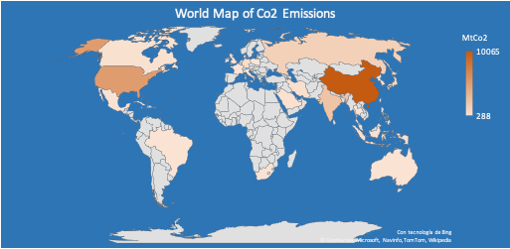
 | Country | MtCo2
 | China | 10065
 | United States | 5416
 | India | 2654
 | Russian Federation | 1711
 | Japan | 1162
 | Germany | 759
 | Iran | 720
 | South Korea | 659
 | Saudi Arabia | 621
 | Indonesia | 615
 | Canada | 568
 | Mexico | 477
 | South Africa | 468
 | Brazil | 457
 | Turkey | 428
 | Australia | 420
 | United Kingdom | 379
 | Poland | 344
 | Italy | 338
 | France | 338
 | Thailand | 288

Total Reduction Worldwide

Country | Total MtCo2 | MtCo2 Total Reduction
China | 10065 | 7548.75
United States | 5416 | 4062
India | 2654 | 1990.5
Russian Federation | 1711 | 1283.25
Japan | 1162 | 871.5
Germany | 759 | 569.25
Iran | 720 | 540
South Korea | 659 | 494.25
Saudi Arabia | 621 | 465.75
Indonesia | 615 | 461.25
Canada | 568 | 426
Mexico | 477 | 357.75
South Africa | 468 | 351
Brazil | 457 | 342.75
Turkey | 428 | 321
Australia | 420 | 315
United Kingdom | 379 | 284.25
Poland | 344 | 258
Italy | 338 | 253.5
France | 338 | 253.5
Thailand | 288 | 216
Total general | 28887 | 21665.25

Percentage worldwide
Percentage worldwide

Graph Percentage of Global Co2 Emissions
Country | MtCO2 Total
China | 34.84%
United States | 18.75%
India | 9.19%
Russian Federation | 5.92%
Japan | 4.02%
Germany | 2.63%
Iran | 2.49%
South Korea | 2.28%
Saudi Arabia | 2.15%
Indonesia | 2.13%
Canada | 1.97%
Mexico | 1.65%
South Africa | 1.62%
Brazil | 1.58%
Turkey | 1.48%
Australia | 1.45%
United Kingdom | 1.31%
Poland | 1.19%
Italy | 1.17%
France | 1.17%
Thailand | 1.00%
Total general | 100.00%

Total Reduction Worldwide

Country | MtCo2 Total Reduction
China | 34.84%
United States | 18.75%
India | 9.19%
Russian Federation | 5.92%
Japan | 4.02%
Germany | 2.63%
Iran | 2.49%
South Korea | 2.28%
Saudi Arabia | 2.15%
Indonesia | 2.13%
Canada | 1.97%
Mexico | 1.65%
South Africa | 1.62%
Brazil | 1.58%
Turkey | 1.48%
Australia | 1.45%
United Kingdom | 1.31%
Poland | 1.19%
Italy | 1.17%
France | 1.17%
Thailand | 1.00%
Total general | 100.00%

Percentage in Latin America
Percentage in Latin America
Graph Percentage of Co2 emissions in Latin America and the Caribbean

Country | MtCO2 Total
Mexico | 27.22%
Brazil | 26.08%
Argentina | 11.19%
Venezuela | 7.93%
Colombia | 5.54%
Chile | 4.91%
Peru | 3.20%
Trinidad and Tobago | 2.51%
Ecuador | 2.40%
Cuba | 1.66%
Dominican Republic | 1.43%
Bolivia | 1.26%
Guatemala | 1.03%
Panama | 0.63%
Honduras | 0.57%
Jamaica | 0.47%
Costa Rica | 0.46%
Paraguay | 0.42%
El Salvador | 0.41%
Uruguay | 0.39%
Nicaragua | 0.32%
Total general | 100.00%

Total reduction in Latin America and the Caribbean
Country | MtCo2 Total Reduction
Mexico | 27.22%
Brazil | 26.08%
Argentina | 11.19%
Venezuela | 7.93%
Colombia | 5.54%
Chile | 4.91%
Peru | 3.20%
Trinidad and Tobago | 2.51%
Ecuador | 2.40%
Cuba | 1.66%
Dominican Republic | 1.43%
Bolivia | 1.26%
Guatemala | 1.03%
Panama | 0.63%
Honduras | 0.57%
Jamaica | 0.47%
Costa Rica | 0.46%
Paraguay | 0.42%
El Salvador | 0.41%
Uruguay | 0.39%
Nicaragua | 0.32%
Total general | 100.00%

Dashboard
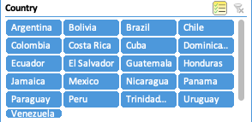
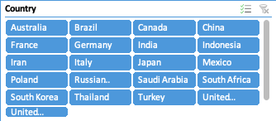
Positive and Negative Impacts on the Environment by Covid-19

Map of Latin America and the Caribbean of Co2 emissions
MtCo2 Total VS MtCo2 Reduction
World Map Co2 Emissions

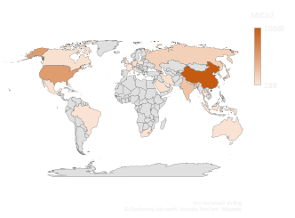
Total Reduction Worldwide
 | Total MtCo2 | MtCo2 Total Reduction
China | 10065 | 7548.75
United States | 5416 | 4062
India | 2654 | 1990.5
Russian Federation | 1711 | 1283.25
Japan | 1162 | 871.5
Germany | 759 | 569.25
Iran | 720 | 540
South Korea | 659 | 494.25
Saudi Arabia | 621 | 465.75
Indonesia | 615 | 461.25
Canada | 568 | 426
Mexico | 477 | 357.75
South Africa | 468 | 351
Brazil | 457 | 342.75
Turkey | 428 | 321
Australia | 420 | 315
United Kingdom | 379 | 284.25
Poland | 344 | 258
Italy | 338 | 253.5
France | 338 | 253.5
Thailand | 288 | 216
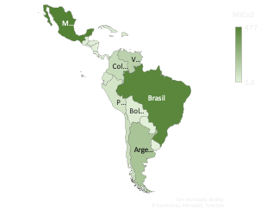

MtCo2 Total VS MtCo2 Reduction
Total reduction in Latin America and the Caribbean
 | Total MtCo2 | MtCo2 Total Reduction
Mexico | 477 | 357.75
Brazil | 457 | 342.75
Argentina | 196 | 147
Venezuela | 139 | 104.25
Colombia | 97 | 72.75
Chile | 86 | 64.5
Peru | 56 | 42
Trinidad and Tobago | 44 | 33
Ecuador | 42 | 31.5
Cuba | 29 | 21.75
Dominican Republic | 25 | 18.75
Bolivia | 22 | 16.5
Guatemala | 18 | 13.5
Panama | 11 | 8.25
Honduras | 9.9 | 7.425
Jamaica | 8.2 | 6.15
Costa Rica | 8.1 | 6.075
Paraguay | 7.4 | 5.55
El Salvador | 7.1 | 5.325
Uruguay | 6.9 | 5.175
Nicaragua | 5.6 | 4.2
Graph Percentage of Global Co2 Emissions
Graph Percentage of Co2 emissions in Latin America and the Caribbean

 | Total
China | 34.84%
United States | 18.75%
India | 9.19%
Russian Federation | 5.92%
Japan | 4.02%
Germany | 2.63%
Iran | 2.49%
South Korea | 2.28%
Saudi Arabia | 2.15%
Indonesia | 2.13%
Canada | 1.97%
Mexico | 1.65%
South Africa | 1.62%
Brazil | 1.58%
Turkey | 1.48%
Australia | 1.45%
United Kingdom | 1.31%
Poland | 1.19%
Italy | 1.17%
France | 1.17%
Thailand | 1.00%
 | Total
Mexico | 27.22%
Brazil | 26.08%
Argentina | 11.19%
Venezuela | 7.93%
Colombia | 5.54%
Chile | 4.91%
Peru | 3.20%
Trinidad and Tobago | 2.51%
Ecuador | 2.40%
Cuba | 1.66%
Dominican Republic | 1.43%
Bolivia | 1.26%
Guatemala | 1.03%
Panama | 0.63%
Honduras | 0.57%
Jamaica | 0.47%
Costa Rica | 0.46%
Paraguay | 0.42%
El Salvador | 0.41%
Uruguay | 0.39%
Nicaragua | 0.32%

Segmenters

